Sheet1
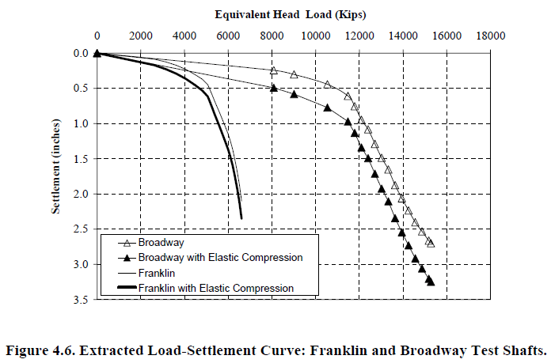
Load, kip | Settlement, in.
0 | 0.0000
8134 | 0.4952
9115 | 0.5852
10605 | 0.7878
11551 | 0.9791
11843 | 1.1704
12208 | 1.3730
12463 | 1.5193
12756 | 1.7331
13085 | 1.9470
13413 | 2.1270
13670 | 2.3521
14035 | 2.5547
14291 | 2.7572
14583 | 2.9261
14947 | 3.0949
15239 | 3.1961
15349 | 3.2749

